Bending
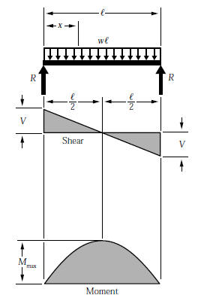
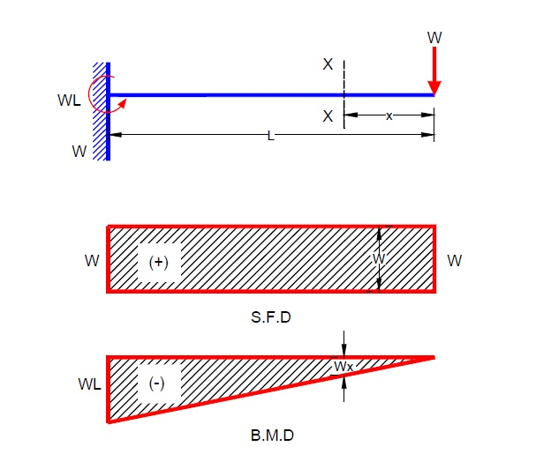
BEAM DEFLECTION FOR HOUSING IN BENDING
*SIMPLY SUPPORTED* |  |  |  |  |  | *DISTRIBUTED WEIGHT* |  |  |  | *CANTILEVER BEAM*

 | Property |  | Units | Notes | Property |  | Units | Notes | Property |  | Units | Notes
 | load, P | 50 | lbf | weight of current dog | distributed load, w | 4.1666666667 | lbf/in | 50 lbf ditributed over 12 in | point load, P | 37.86 | lbf | force of two legs on one hip (6.31 lbf per leg static… 3X)
 | length, L | 14 | in |  | length, L | 14 | in |  | length, L | 14 | in
 | area moment, I | 10.445146553 | in^4 | bending about verical axis | area moment, I | 10.445146553 | in^4 |  | area moment, I | 10.445146553 | in^4
 | max, moment, M | 175 | lb-in |  | max, moment, M | 102.08333333 | lb-in | bending about verical axis | max, moment, M | 530.04 | lb-in | bending about verical axis
 | dist. to neutral axis, c | 2.162 | in | bending about verical axis | dist. to neutral axis, c | 2.162 | in |  | dist. to neutral axis, c | 2.162 | in
 | elastic section modulus, S | 4.831242624 | in^3 |  | elastic section modulus, S | 4.831242624 | in^3 | bending about verical axis | elastic section modulus, S | 4.831242624 | in^3 | bending about verical axis
 | max bending stress, σ | 36.222565004 | psi |  | max bending stress, σ | 21.129829586 | psi |  | max bending stress, σ | 109.71090489 | psi

 |  |  |  |  |  |  |  |  | `

Combined
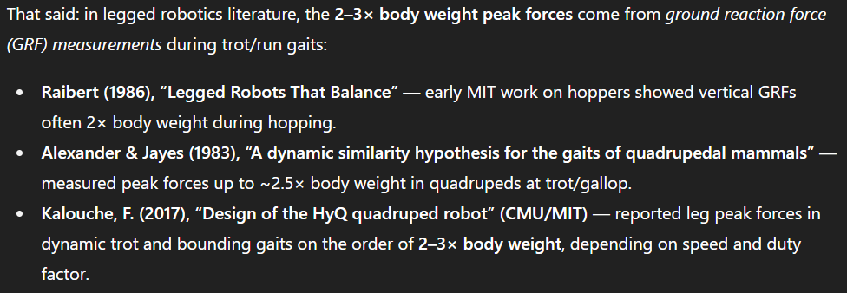
Combined (with Von-Mises) bending-torsion stress: |  |  |  |  | Experimental Yield Stresses
*SIMPLY SUPPORTED* |  |  |  |  |  | CF yield stress | 63606.25 | (psi)
 | Property |  | Units | Notes |  | Alum yield stress | 31336.97 | (psi)
 | von-Mises stress, σ | 3891.9445958 | psi
 | material yeild stress, σ | 3.80E+04 | psi | 6061 Al | Alum factor of safety, S | 8.0517513105 | [-]
 | factor of safety, S | 9.7637566682 | [-] | needs to be greater than 1.5 | CF factor of safety, S | 16.343051252 | [-]

*DISTRIBUTED LOAD*
 | Property |  | Units | Notes
 | von-Mises stress, σ | 3891.8333896 | psi
 | material yeild stress, σ | 3.80E+04 | psi | 6061 Al | Alum factor of safety, S | 8.0519813832 | [-]
 | factor of safety, S | 9.7640356602 | [-] | needs to be greater than 1.5 | CF factor of safety, S | 16.343518242 | [-]

*CANTILEVER BEAM*
 | Property |  | Units | Notes |  |  |  |  | 6
 | von-Mises stress, σ | 3893.322122 | psi
 | material yeild stress, σ | 3.80E+04 | psi | 6061 Al | Alum factor of safety, S | 8.0489024586 | [-]
 | factor of safety, S | 9.7603020786 | [-] | needs to be greater than 1.5 | CF factor of safety, S | 16.337268792 | [-]

